Security Program
For internal review with Lisa

 | Timeline View of Security Program Delivery This timeline provides a directional view of the security program rollout. While timelines are not set in stone and may evolve based on business priorities, the expectation is to deliver the following key artifacts by the time we reach Phase (6): 1) a. Security Compliance Program Strategy: A comprehensive strategy tailored to multiple audiences, including executive leadership, board members, and operational/non-board stakeholders. 1.b Strategy we can share with prospects/customers 2) Policy Management Framework: 2a. Development of policies, standards, and procedures (PSP) for internal 1CISO 2b. reusable templates to support customer needs and external engagements. Note - these PSP's will be designed inline with the ISO standards

Original copy here --> https://lucid.app/lucidspark/180bd713-d386-487c-9c42-97328ab84e23/edit?invitationId=inv_012c1c1f-b9b8-43d7-9f95-15ae1877ce66

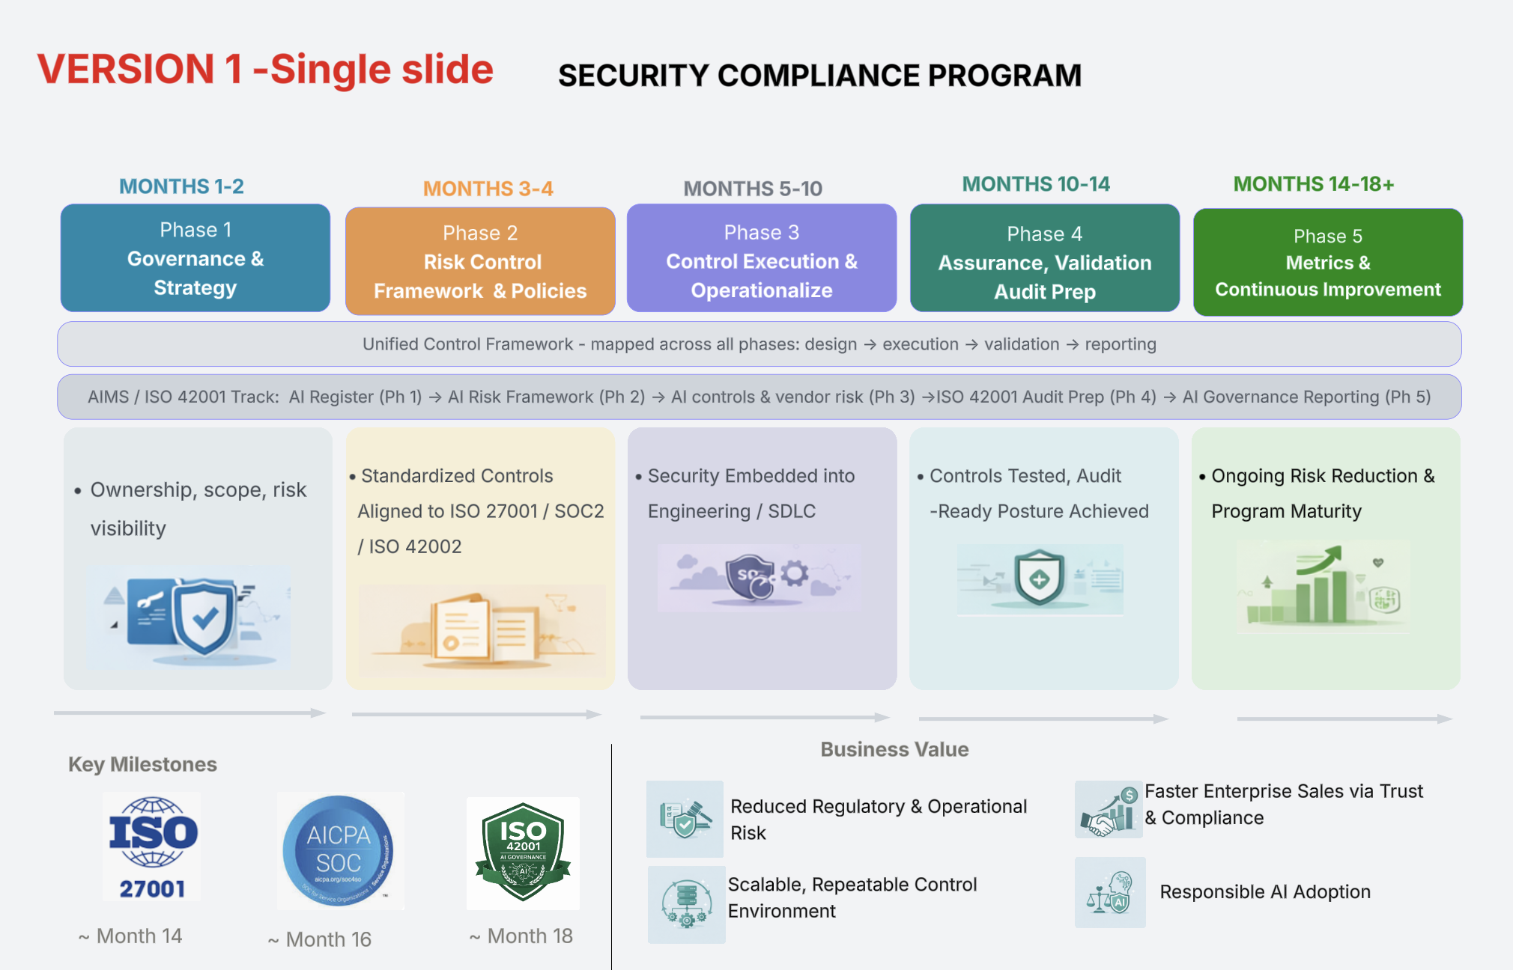
 | WHAT | High level program overview
 |  | This is a single slide view

 | Audience | Executive / board

 |  | 1) Do you think we should add cost and ROI here ?? this is available in Version 2 -slide 2 below 2) What are your thoughts in expanding this further and have another slide that would contain additional info as shown in version 2 - slide 2 below ?
 |  | 3) Is this too simple ? do you think its better to remove 2 horizontal small bars (unified control framework , AIMS)?

 | 1) Audit firms -recommendation to select /not select audit firms for SOC2 audits or certifications
 | Note from latha - Parking this for now I will get back to you later

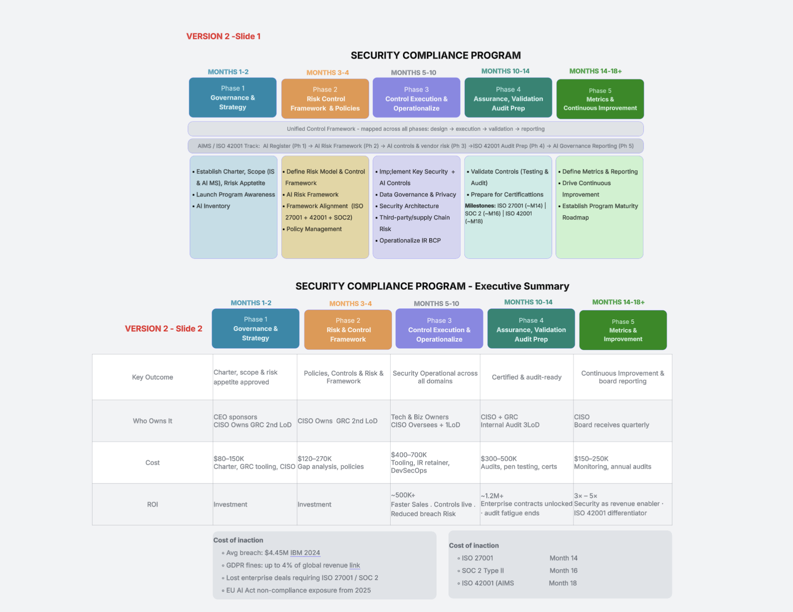

 | WHAT | High level program overview
 |  | This has slightly more detail

 | Audience | Executive / board

 |  | 1) Is it too much info ? 2) do you think we can get to somewhere between version 1 and 2 ? 3) let me know your thoughts on slide 2 of this version 2 Note - The numbers require further discussion and are not yet finalized.
 |  | 3) Is this too simple ? do you think its better to remove 2 horizontal small bars (unified control framework , AIMS)?

Option 3

More detailed view yet to come

